main
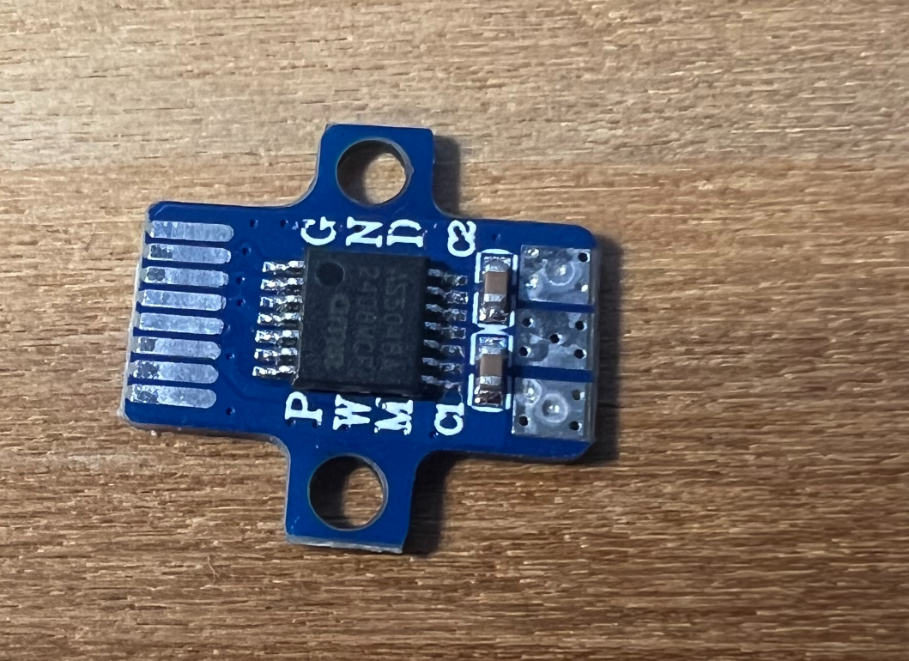

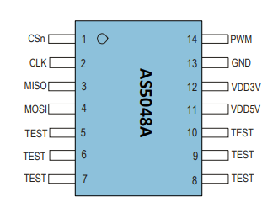

pads on the left, from top to bottom
Signal: | Wire Color:
gnd | black
csn | yellow
clk | green
mosi | white
miso | blue/ light blue
vdd5v | red
gnd
gnd

All Pinouts/wire connections

signal name | mag sensor | slip ring | slip ring "section" | odesc pigtail
miso | blue/ light blue | black | 1 | blue
 |  | yellow
clk | green | red |  | green
 |  | blue
mosi | white | grey |  | white
 |  | pink
vdd5v | red | orange | 2 | black
 |  | brown
csn | yellow | green |  | yellow
 |  | purple
gnd | black | white |  | red
 |  | light blue

cheapo
pads on the left, negative terminal on top:

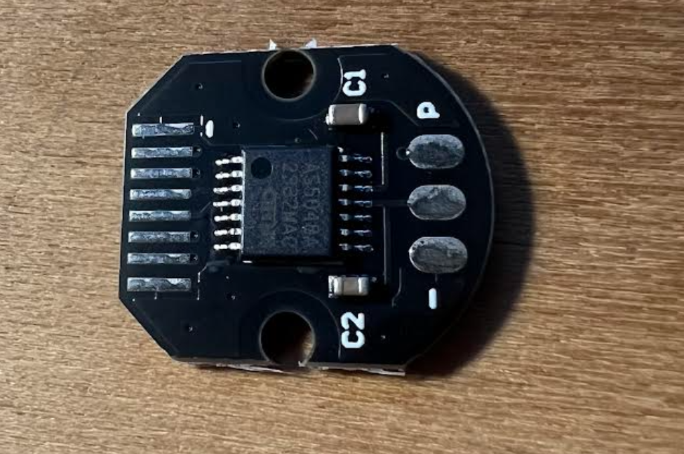

gnd
gnd
5V
MISO
MOSI
CLK
nCS
gnd

